Architecture
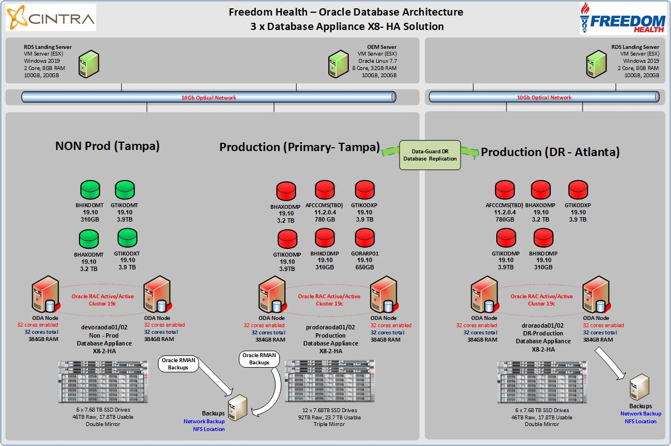
CLIENT NAME | Freedom Health Plan
Connectivity Information
 |  | Last Update When | 2021-10-29
 |  | Last Update Who | Sumit Kochar

General
CLIENT NAME | GLOBAL TPA (FRDM)
Connectivity Information
 |  |  |  | Last Update When | 2021-11-23
 |  |  |  | Last Update Who | Sumit Kochar
Client to Cintra Relationship | Project | Sensor Support, Project, Adhoc or Emergency
Client Network Access Method | Web VPN | Cisco, Checkpoint, SSH, WindowsVPN, Citrix, Logmein or WebEx
Client Access temporary or permenant | Temporary | Temporary or Permenant
Client Network opened for Cintra Network | Yes | Is the network opened to our firewall IP 160.79.165.130
Client Network Access Token Needed | No | Yes or No
Who holds the RSA Tokens | NA | Cintra DBA or Client Operational Desk
Do we need to call into the client for RSA Token | No | Contact Number
Do we have a landing PC or do we connect directly | Direct
Database Server Access Method | RDP | RDP, VNC, SSH, RADMIN, PANYWHERE
Does the client log or monitor access | No
Who do we call for connectivity issues | Raj Nutakki | Contact Number - O: (813) 506-6000 x 11064, M: (813) 455-8270
Notable Utilities Available | NA | OEM, Sqlplus, Bethnic …..
Grid Control Available | YES
DBConsole | No

Landing Machine | Connect Method | Username | Password | Domain
Use grid control machine | col-oragc-01 | USE Individual login without @cintra.com e.g. username FREEDOMH\ngera

New Connectivity -- forticlient Web URL | Username | Password
https://rds.freedomhealth.com/RDWeb/Pages/en-US/Default.aspx | freedomh\skochar | Theta@6290
*US team access only* | freedomh\Mrafiq | Omega$9286
 | freedomh\jjadhav | C#ntr@112021
Access Below RDP: | freedomh\vilamkar | Theta@6290
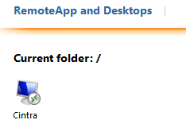
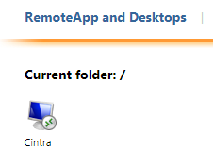

 | freedomh\skochar | Gamma@6209
 | freedomh\Mrafiq | Omega$9286
 | freedomh\jjadhav | C#ntr@112021

Connect to COL-RDSCB-01.FREEDOM.COM
After entering username and password , it will ask for RSA
RSA Token which is installed in Phone

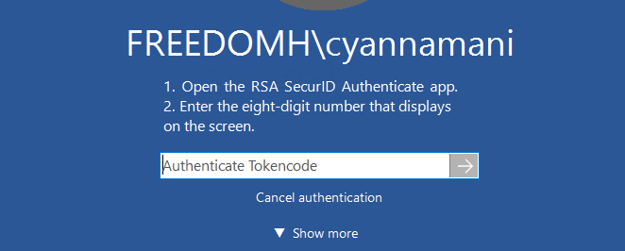

Once conneted to RDP , Please use induvidual credetials for login to OS user and Databases.

